1. Title Page
[Project Name]

Project Name: Instacart Grocery Basket Analysis
Date: 9/22/23
Analyst Name: Alex Kaplan

Contents:
Population Flow
Consistency checks
Wrangling steps
Column derivations
Visualizations
Recommendations

2. Population Flow
Title page

Population flow

Exclusion flag
Condition: max_order < 5
Obervations to be removed: 1440355
Final total count of order_products_all: 30965686

Orders_products_combined
Orders_products_merged
Orders_products_all

Total: 32406041
Total: 32434489
Total: 32406041

1.) The grey boxes in the first row of the population flow represent the original data sets as they were when you downloaded them. In the Total fields you need to add the count of the rows when you imported the data set into Jupyter.
2.) The second row of boxes (coloured) represents the data sets after you manipulated them, e.g., removed missing values and duplicates. In the Total fields you need to add the count of the rows after conducting these operations. This offers a visual oveview of how the data flows throughout the data consistency checks.
3.) The third row, where also the arrows are coloured, represents the merges you performed between the datasets. In the Total fields you need to add the count of the rows in the merged datasets, so that you end up with the final dataset (in the red box). Keep in mind the final dataset should be without exclusions (based on the exclusion flag).

3. Consistency checks
Consistency checks
 |  |  |  | Title page
 |  |  |  |  | 0

Dataset | Missing values | Missing values treatment | Duplicates
orders | There are 206,209 missing values in the day_since_last_order' column | did not make any changes | none
products | product_name had 16 missing values | removed the 16 missing rows | 5 duplicates
orders_products_prior | No missing values | No duplicates | none
customers | There are 11,259 missing values in the 'First Name' column | No action was taken because this information would need to be removed anyway due to it being PII | none

4. Wrangling steps
 |  |  |  |  | Title page
Wrangling steps

Data Set | Columns dropped | Columns renamed | Columns' type changed | Comment/Reason
orders | eval_set
orders | NA | orders_day_of_week changed to 'order_dow |  | changed to more intuitive name
orders | NA | NA | order_id | changed to string type since variable is not used in calculations
orders | NA | NA | user_id | changed to string type since variable is not used in calculations
orders | Unnamed: 0 | NA | NA | Column was not needed for analysis so it was deleted
orders | days_since_prior_order | days_since_last_order | NA | Maintain more applicable name for column
df_merged_large | _merge | NA | NA | Column was no longer needed after the merge
df_prods_clean | Unnamed: 0 | NA | NA | Column was not needed for analysis so it was deleted
df_ords_prods_merged | _merge | NA | NA | Column was no longer needed after the merge
customer | NA | First Name to 'first_name' | NA | Maintain consistent column names (PII columns)
customer | NA | Surnam to 'last_name' | NA | Maintain consistent column names (spelling error)
customer | NA | State to 'state' | NA | Maintain consistent column names
customer | NA | Gender to 'gender' | NA | Maintain consistent column names
customer | NA | Age to 'age' | NA | Maintain consistent column names
df_merged_clean | first_name & last_name | NA | NA | Maintain PII for customers
df_merged_clean | NA | NA | 'fam_status' | Created to determine dependent status

5. Column derivations
 |  |  |  | Title page

Column derivations and aggregations

In this tab you should add tables below that the frequences of flags/label variables that you produced after deriving them. NB: don't do this for continuous variables, only for flags.
Dataset | New column | Column/s it was derived from | Conditions
df_merged_clean | price_range_loc | prices | 'Low-range: if price is <=5High range: if price is > 15 . Mid-range: if price >5 & ,=15
df_merged_clean | busiest_day | order_dow | If orders_day_of_week = 0 then Busiest day, if orders_day_of_week = 4 then Least Busy day, if orders_day_of_week is anything else then Regularly Busy
df_merged | busiest_period_of_day' | orders_dow | fewest, average, and most orders
df_new | age_category | age | 10 year age groups
df_new | loyalty_flag | max_order | mean, min, max
ords_prods_merged.loc (derived) | spending flag | avg_price | If avg_price is <10 then Low Spender, if avg_price is >=10 then High Spender
df_merged_clean | region | state | northwest, midwest, west, south
df_new | income_groups | income | low income, >=25900) & (df_new['income'] <75000; 75000,150000 medium income. 150000 or greater is high income
df_merged_clean | fam_status | fam_status & no_of_dependants | single adult 'divorced/widowed','single','living with parents and siblings'])) & (df_merged_clean['n_dependants'] ==0), young parent - single/divorced and >0 kids. Family - married and kids <=2. Big Family - married and kids >2
df_merged_clean | df_merged | dep and department_Id | df_merged = df_new.merge(df_dep, on = 'department_id')

6. Visualizations
 | Title page

Visualisations

In this tab you should include all the visualtions from Exercises 4.9 and 4.10, alongside the questions from the project brief that they answer. Include any commentary on the relationship between different variables.

1. The sales team needs to know what the busiest days of the week and hours of the day are (i.e., the days and times with the most orders) in order to schedule ads at times when there are fewer orders.

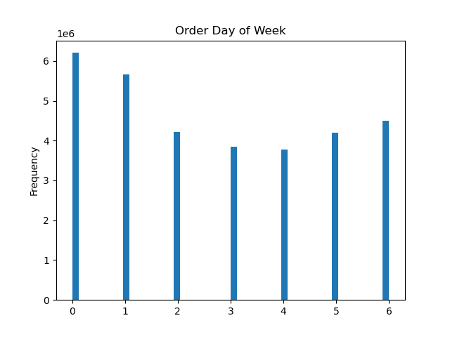

Legend:
0 - Saturday
1 - Sunday
2 - Monday
3 - Tuesday
4 - Wednesday
5 - Thursday
6 - Friday

Saturdays and Sundays are the busiest days of the week regarding Instacart customer orders
Hours of the day with the most Instacart orders which is usually from 9am-4pm.

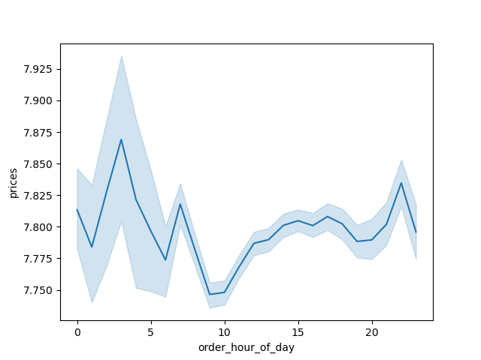
2. Are there particular times of the day when people spend the most money?

The chart shows the prices of the products ordered during the hours of the day. Hours of the day is on the x-axis and price of products on the y-axis. Average prices for each hour of the day. In the chart, it seems most money is spent between 6-7 am and between 3-6 pm. The least amount of money spent is between 9pm-12am.

3. Marketing and sales want to user simpler price range groupings to help their efforts.

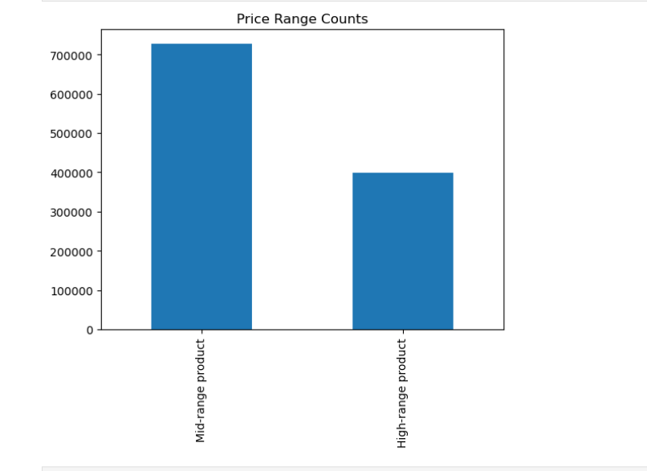

The price ranges indicate that most of Instacart's products are mid-range which is between $5-$15. The high range is greater than $15 and the low range is under $5

4. Are there certain types of products that are more popular than others? The marketing and sales teams want to know which departments have the highest frequency of product orders.
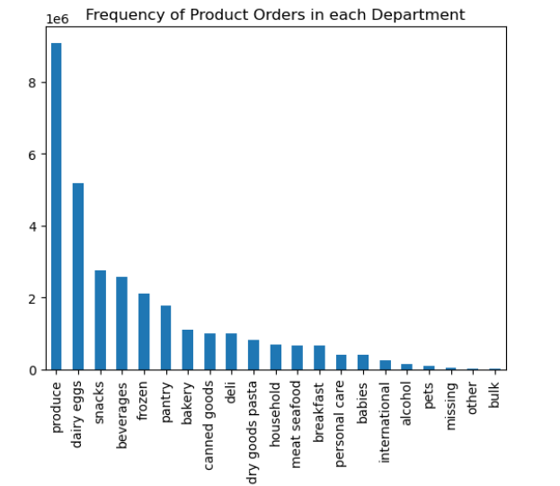

The top selling department for Instacart is produce. It sells nearly twice as much as the next most popular dariy eggs.

5. What’s the distribution among users in regards to their brand loyalty (i.e., how often to customers return Instacart?
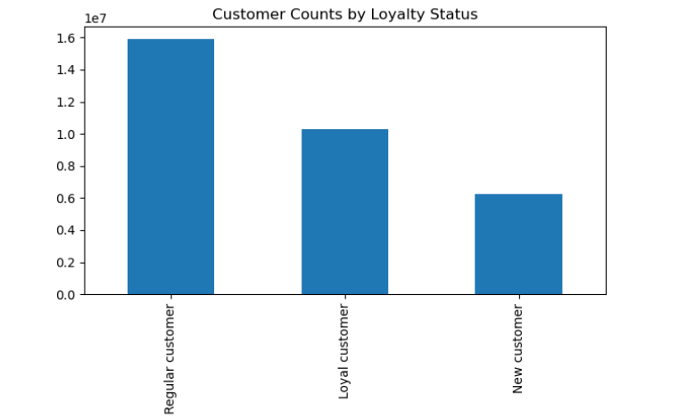

The chart shows the Customer's loyalty towards the brand. The Y-axis represents the frequency. Here we can see that 'Regular Customers' have the highest frequency followed by the 'Loyal Customers' and 'New Customers' respectively.

6. Are there differences in ordering habits based on a customer's loyalty status?

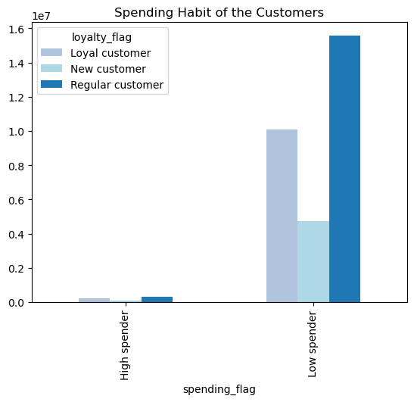
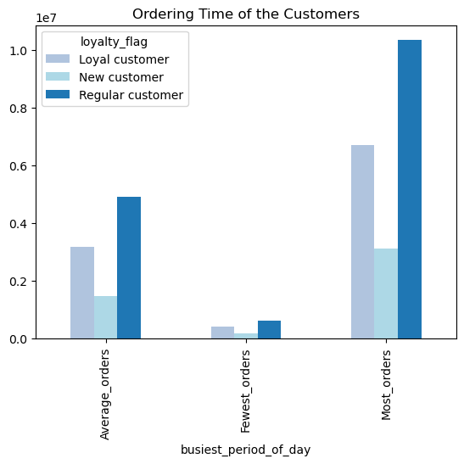
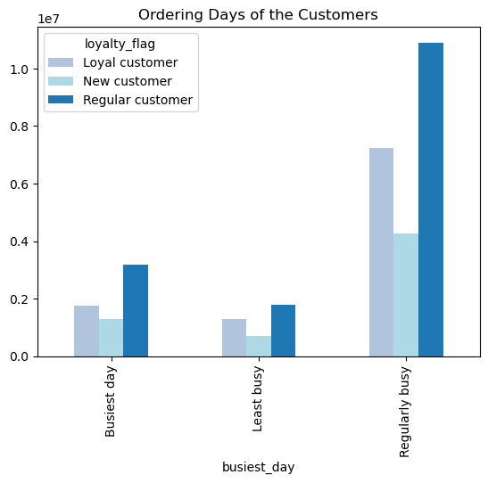

This chart shows that most customers' spending habits. We can see that most of the customers (loyal, regular and new) are mostly low spenders since they pay less than $10 per product.
The chart shows the times of the day that customers place orders. Most loyal customers place their orders the same time as regular and new customers.
The bar chart shows when the customers places an order in a week. We can see that a high number of Loyal Customers place an order on the Regularly Busy days (i.e., Monday, Thursday & Friday) and then on the Busiest Days (i.e., Saturday & Sunday).

7. Are there differences in ordering habits based on a customer's region?

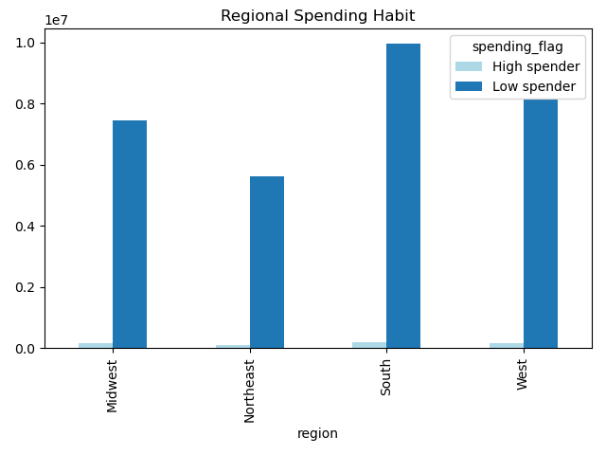

This chart shows that Instacart's lowest spenders generates the most revenue. The South has the most low spenders for Instacart.

8. Is there a connection between age and family status in terms of ordering habits?

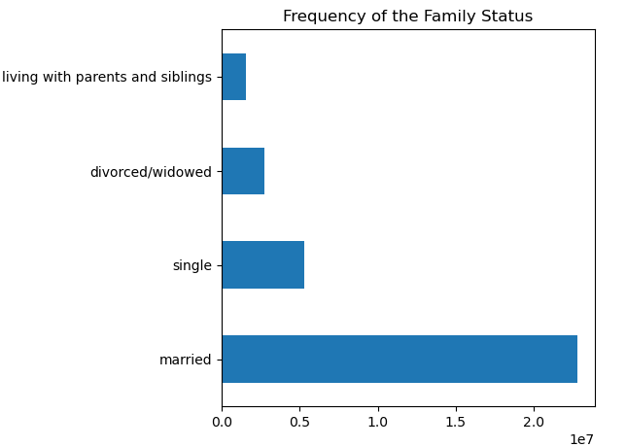

This chart shows that most of Instacart's customers are married.

9. What different classifications does the demographic information suggest? Age? Income? Certain types of goods? Family status?


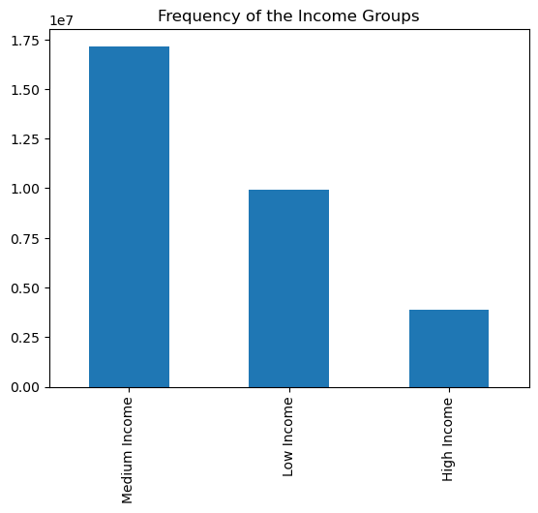
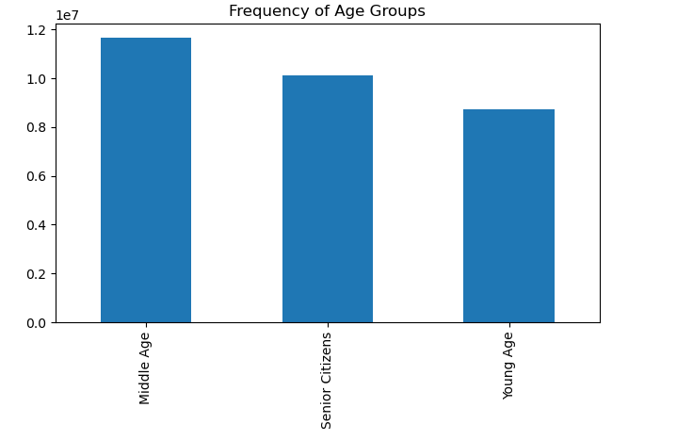

This chart shows biggest proportion of Instacart's customers are middle age, followed by senior citizens and young age respectively.
Income of different age groups of Instacart customers. As customers turn 40, there spending tends to increase compared to customers under 40

The below bar chart shows the demographic classification of the customers based on their Income. If income is >=25900 & <75000, they are considered low income. If income is >=75000 & <150000, they are considered medium income. If income is >150000 they are considered high income. Most of Instacart's customers are medium income and earn a salary between 75000-150000 per year.

10. What differences can you find in ordering habits of different customer profiles? Consider price of orders, the frequency of orders, the products customers are ordering, and anything else you can think of.

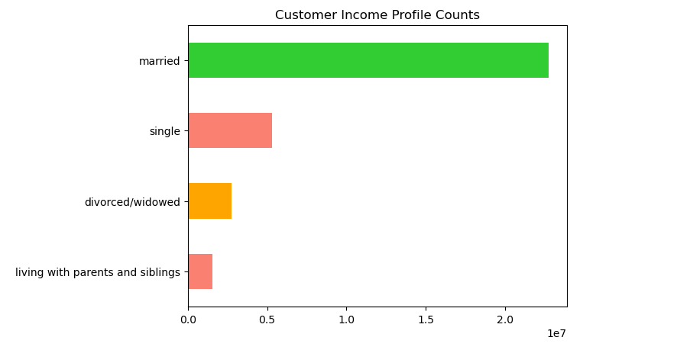
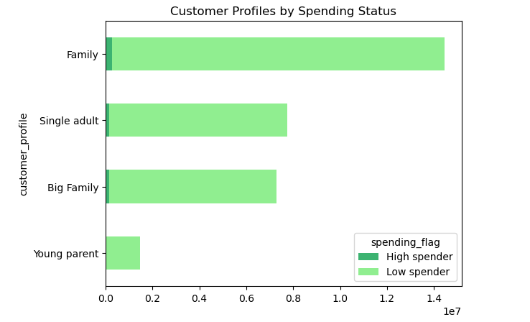

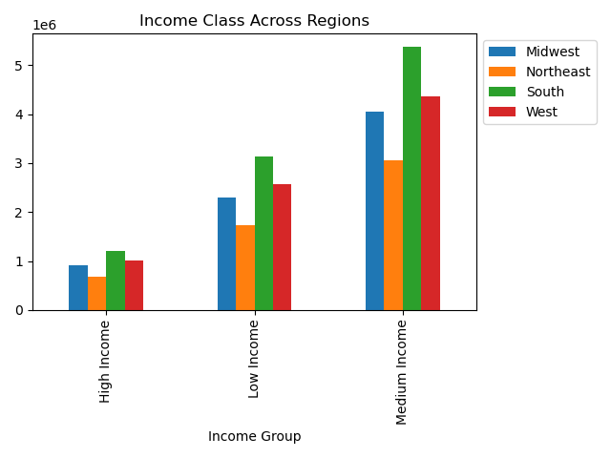

Orders for married customers are nearly three times as numerous compared to any other customer profile. Single customers order the second most on Instacart. followed by single men and women. Divorced/widowed customers order the third most for Instacart and customers living with parents and siblings have the least amount of orders.
Families are the only significant high spenders. Single adults, big families, and young parents by far are low spenders.
Most of the high income customers of Instacart are spread out pretty evenly across all geographical regionst of the US. Medium income customers are still by far Instacart's most common type of customer which are most numerous in the South.

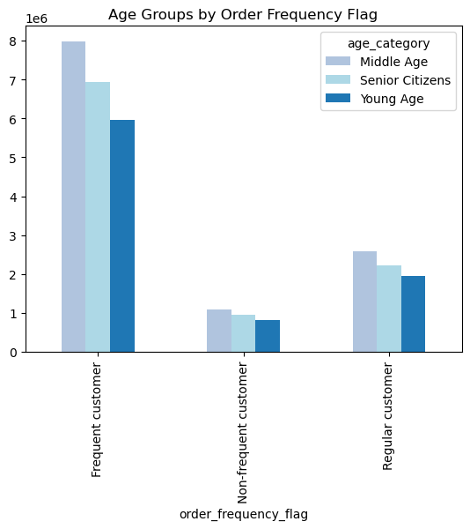
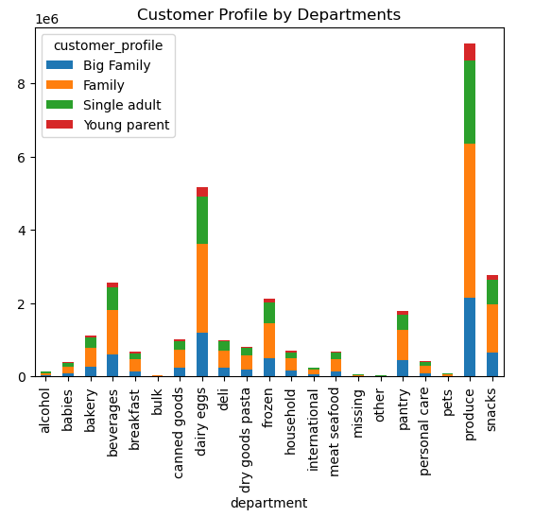

Instacart's most frequent customers are middle aged people followed by senior citizens and young age people. We can see there isn't much difference in age category for non-frequent customers and regular customers.
The above bar chart shows that families have the highest proportion of orders for Instacart. We can also see that single adults have the second highest proportion of Instacart's orders. The department that is ordered from the most by all customer profiles is produce followed by dairy eggs and snacks respectively.

7. Recommendations
 |  |  | Title page

Recommendations

In this tab you should include any recommendations you would made to Instcart in terms of their marketing strategy based on the questions posed in the brief. Every key question has been covered in the Tasks of the Exercises - here you need to add an item - a visualisation or table/crosstable that is showing the answer in the data, acompanied by a comment from you. Please, list the questions below and add the answer underneath.

Question | Answer | Recommendations
1. The sales team needs to know what the busiest days of the week and hours of the day are (i.e., the days and times with the most orders) in order to schedule ads at times when there are fewer orders.

The busiest days of the week are Saturday and Sunday while the busiest hours that receive the most orders are 9am to 4pm. The slowest days are It may be beneficial to have advertisements during the slow period between 12am-7am and to also offer deals to customers who order during this slower time.

2. They also want to know whether there are particular times of the day when people spend the most money, as this might inform the type of products they advertise at these times.

There does not seem to be a larege didfference in price and order time. However, the highest order prices are seen between 3 and 7 am. The items that are being purchased at this time are also consistent with the most frequently ordered products in general. Becuase of this I do not think it is necessary to create an ad approach for the hours between 3 and 7 am.

3. Instacart has a lot of products with different price tags. Marketing and sales want to Instacart has a lot of products with different price tags. Marketing and sales want to use simpler price range groupings to help direct their efforts. Are there certain types of products that are more popular than others? The marketing and sales teams want to know which departments have the highest frequency of product orders.

The majority of products are mid to low range prices such as produce, snacks and eggs which fall below $10 for most of these types of products. High income individuals interestingly enough don't really purchase high priced items so there may be a need to focus efforts on advertising them. However, most of the lower and medium income groups purchase items that typically don't exceed $20.

4. Are there certain types of products that are more popular than others? The marketing and sales teams want to know which departments have the highest frequency of product orders.

The produce department has the highest frequency of orders also dairy and eggs is a very close second. The sections that sold lowest were bulk, babies, and pet items. Perhaps a marketing effort to make customers aware that they can order more than just produce and eggs with Instacart. Perhaps even offering promotions on lower sold items such as bulk items could help increase sales in them.

5. What’s the distribution among users in regards to their brand loyalty (i.e., how often to customers return Instacart?
The chart shows the Customer's loyalty towards the brand. 'Regular Customers' have the highest frequency followed by the 'Loyal Customers' and 'New Customers' respectively. It could be a good idea that the marketing team target regular customers and give them more customized offers and run some more ads and try to increase their orders and convert them to a loyal customer. It may also be helpful to offer new deals or incentives to new customers to retain their business with Instacart

6. Are there differences in ordering habits based on customer loyalty status?
There does not to be a significant difference in ordering habits soley based on a customer's loyalty status. The chart shows us that regular, loyal, and new customers place their orders on both busier and not as busy days. For a recommendation, it may be helpful for the marketing team to give more deals on less busy days like Tuesdays and Wednesdays to encourage customers to purchase more products on less busier days.

7. Are there differences in ordering habits based on a customer's region?

Instacart's lowest spenders generates the most revenue. The South has the most low spenders for Instacart. The West has the next most revenue that customers spend along with Midwest regions. In South, majority of the revenue comes from the Produce, followed by Dairy Eggs, Snacks and Beverages. In the West also, majority of the revenue comes from Produce, Dairy Eggs, Snacks and Beverages. The Western region also follows the same trend. A recommendation would be to focus more resources and advertisements to the North region since it is lagging behind the other regions in Instacart sales. In general, more promotions in all regions would be beneficial for departments with less orders such as bulk, frozen, and seafood items.

8. Is there a connection between age and family status in terms of ordering habits?

The data shows that married customers make up the most of customers that are ordering from Instacart. It may be beneficial to target more ads to less frequent customers such as customers living with parents and siblings. It might also help to offer promotions to single customers since they likely won't be inclinded to order as much as those with families. I would still recommend continuing to focus marketing efforts on married customers since they make up the majority of Instacart's total customers.

9. What different classifications does the demographic information suggest? Age? Income? Certain types of goods? Family status?

The demographic information suggests classifications of the customers based on their age, income, canned goods users and their family status. Most of the customers are middle aged (age in between 35 and 60 years), earns in between 75,000 and 150,000, and are married. I would recommend offering promotions to senior citizens because they make up the second biggest proportion of Instacart's customers only behind middle aged customers. Also, senior citizens often need more assistance with grocery shopping since they can be limited in mobility which makes Instacart a great solution for them and could introduce a lot of potential to Instacart's overall revenue.

10. What differences can you find in ordering habits of different customer profiles? Consider price of orders, the frequency of orders, the products customers are ordering, and anything else you can think of.

Age is a big factor when it comes to ordering habits of Instacart customers. Most of Instacart's orders are from customers that are middle aged followed by senior citizens and young age respectively. Each age group tends to order between the hours of 9am-4pm. Customers in all age groups order produce the most with dairy and eggs being second. For income status, most customers fall under the category of medium income where their annual salary is anywhere from 75000 - 150000. Despite the salary difference in customers, they all tend to be low spenders meaning they don't spend more than $15 for any individual product. Most of the income groups are located in the South followed by west and midwest respectively. Based on family status, most of Instacart's customers are married with a dependent living with them and second most customers are single living with no dependents. Regardless of family status, all customers tend to order mid ranged products. We can see that majority of Instacart's customers are middle aged, have medium income, are from South and are married with dependants. I would recommend introducing a rewards program for these customers to increase their orders and convert them to loyal customers. Perhaps offering $10 Instacart giftcard for every $100 this type of customer spends would help drive up orders. On the other hand, it would also be helpful to target ads to low income customers who are single to help drive up sales for them. Perhaps offering a promotion for their first five orders could help encourage them to order from Instacart more frequently. I also think it would be a good idea to promote high range products to middle aged customers since most of them have higher incomes. I would recommend the opposite for single customers where they are targeted with mid ranged products since they don't earn as much as the middle aged customers.

